Example restocking map
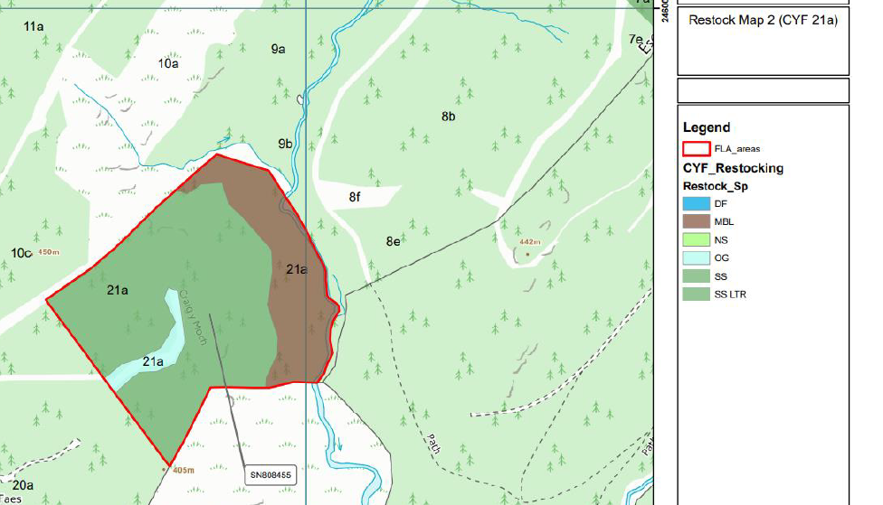
NRW_FMP_work programme_July 2026

Below is an example showing our expectations for submitting a map to support your application, note the different colours within the polygon depicting the different species and their planting location and the legend explaining what the colours mean

 | map copied from actual application, permission kindly given by

